1. Title Page
[Instacart Basket Analysis]

Project Name: Instacart Basket Analysis
Date: July 2024
Analyst Name: Justina Bui

Contents:
Population Flow
Consistency checks
Wrangling steps
Column derivations
Visualizations
Recommendations

Data Sources
http://www.instacart.com/datasets/grocery-shopping-2017
Customer data and the "prices" column in the products data set were fabricated for the purpose of this course.

2. Population Flow
Title page

Population flow

Exclusion flag
Condition: sample seed (np.random.rand(len(data)) <= 0.3)
Observations to be removed: 22,516,236 (70%)
Final total count of order_products_all: 9,918,253 (30%)

Orders_products_combined
Orders_products_merged
Orders_products_all

Total: 9,918,253
Total: 9,918,253
Total: 9,918,253

1.) The grey boxes in the first row of the population flow represent the original data sets as they were when you downloaded them. In the Total fields you need to add the count of the rows when you imported the data set into Jupyter.
2.) The second row of boxes (coloured) represents the data sets after you manipulated them, e.g., removed missing values and duplicates. In the Total fields you need to add the count of the rows after conducting these operations. This offers a visual oveview of how the data flows throughout the data consistency checks.
3.) The third row, where also the arrows are coloured, represents the merges you performed between the datasets. In the Total fields you need to add the count of the rows in the merged datasets, so that you end up with the final dataset (in the red box). Keep in mind the final dataset should be without exclusions (based on the exclusion flag).

3. Consistency Checks
 |  |  |  | Title page
Consistency checks

Dataset | Missing values | Missing values treatment | Duplicates
orders | days_since_prior_orders had missing values | These missing values represented the new customers/first orders customers made. 206,209/ 3,421,083 = ~6% of master data and should not be removed. Therefore, a new variable was created which acts like a flag based on the missing value. | No duplicates
products | product_name (16 missing values) | Missing values were exported into its own database (df_nan). | 5 duplicates were found and dropped in df_prods_clean_no_dups dataframe.
orders_products_prior | None | N/A | No duplicates
customers | First_Name (11,259 missing values) | First names and last names should be removed due to PII risk. | No duplicates

4. Wrangling Steps
 |  |  |  | Title page
Wrangling steps:

Columns dropped | Columns renamed | Columns' type changed | Comment/Reason
 | order_dow |  | Changed to order_day_of_week
First_name |  |  | Dropped due to PII
Last_name |  |  | Dropped due to PII
Unnamed: 0 |  |  | Not necessary for analysis
aisle_id |  |  | Not necessary for analysis
add_to_cart_order |  |  | Not necessary for analysis
date_joined |  |  | Not necessary for analysis
_merge |  |  | Not necessary for analysis
 | FIRST_NAME |  | Changed for consistency
 | surname |  | Change to last_name for consistency
 | STATE |  | Change to state for consistency
 | n_dependants |  | Change n_dependents for consistency
 | fam_status |  | Changed to martial_status for consistency
 | index |  | Transposed dataset and added an index and new header
 |  | order_id | changed to string
 |  | user_id | changed to string

5. Column Derivations
 |  |  |  | Title page

Column derivations and aggregations

In this tab you should add tables below that the frequences of flags/label variables that you produced after deriving them. NB: don't do this for continuous variables, only for flags.
Dataset | New column | Column/s it was derived from | Conditions
orders_products_merged_aggegrated.pkl | price_label | prices | If price <=5, then low-range product. If else price > 5 and <=15, then mid- range product. If else price >15, then high-range product.
 | busiest_day | order_dow | If day 0 then busiest day. If day 4 then least busy day. If else, then regularly busy.
 | busiest_days | order_dow | If day 0 or 1 then busiest days. If day 4 or 3 then slowest days. If else, then regularly busy days.
 | max_order | user_id, order_number | Maximum numbers of orders
 | loyalty_flag | max_order | If max_order > 40 then loyal customer. If max order <=40 and >10 then regular customer. If max order <=10 then new customer.
 | average_spend | user_id, prices | Average prices of products ordered by user.
 | spender_flag | average_price | If avg price < 10 then low spender. If avg price >= 10 then high spender.
 | Customer_frequency | user_id, days_since_prior_order | Median number of days since prior orders
 | Customer_frequency | median_days_since_prior_order | If median_days_since_prior_order >20, then non-frequent customer. If median_days_since_prior_order <=20 and >10, then regular customer. If median_days_since_prior_order <=10 then frequent customer.
ords_prods_custs_merged.pkl | region | state | Northeast=['Maine','New Hampshire','Vermont','Massachusetts','Rhode Island','Connecticut','New York','Pennsylvania','New Jersey'] Midwest=['Wisconsin','Michigan','Illinois','Indiana','Ohio','North Dakota','South Dakota','Nebraska','Kansas','Minnesota','Iowa','Missouri'] South=['Delaware','Maryland','District of Columbia','Virginia','West Virginia','North Carolina','South Carolina','Georgia','Florida','Kentucky', 'Tennessee','Mississippi','Alabama','Oklahoma','Texas','Arkansas','Louisiana'] West=['Idaho','Montana','Wyoming','Nevada','Utah','Colorado','Arizona','New Mexico','Alaska','Washington','Oregon','California','Hawaii']
 | activity | max_order | If max_order <5, then activity low. If max_order > = 5, then activity high.
 | age_group | age | If age <=25 then young adult. If age <65 and age> 25 then adult. If age >=65 then senior citizen.
 | income_group | income | If income <40000 then low income. If income >=40000 and income <150000 then middle income. If income >=150000 then high income.
instacart_final.pkl | dependent_group | number_of_dependents | If number of dependents > 0, then has dependents. If number of dependents = 0 then no dependents.
 | department | department_id | data dictionary from departments_wrangled

6. Visualizations
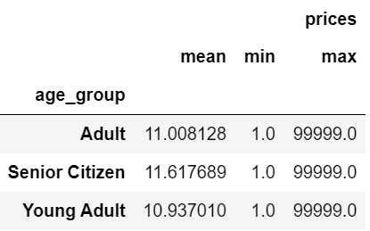
 |  | Title page

Visualisations

In this tab you should include all the visualtions from Exercises 4.9 and 4.10, alongside the questions from the project brief that they answer. Include any commentary on the relationship between different variables.

Fig 1.1 - Busiest Days of the Week | Fig 1.2 - Busiest Hour of the Day
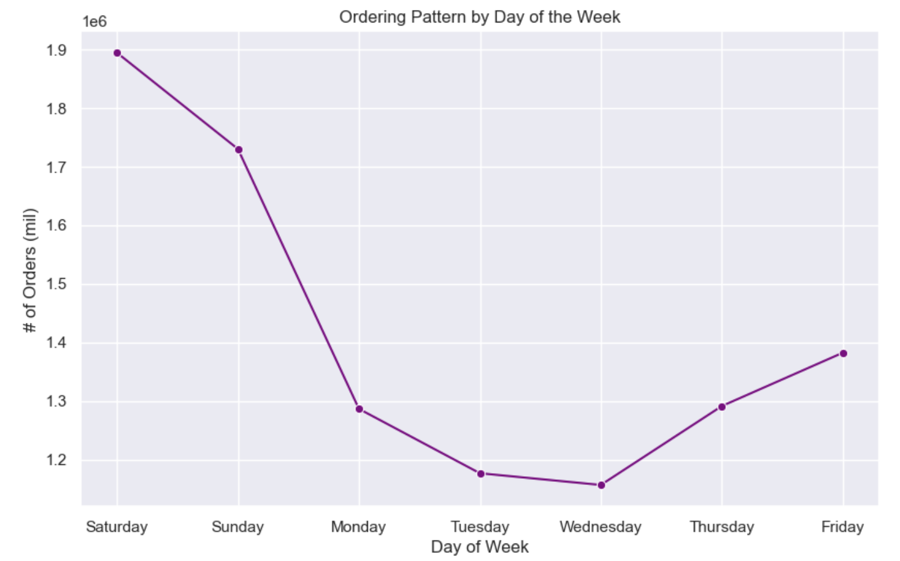
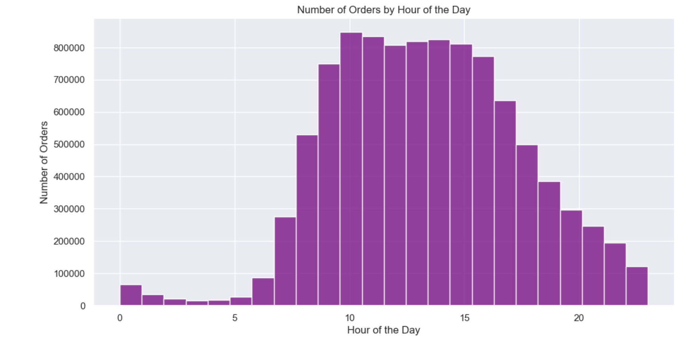

Fig 2.1 - Popular Hours of Ordering | Fig 3.1 - Price range preferences among US customers
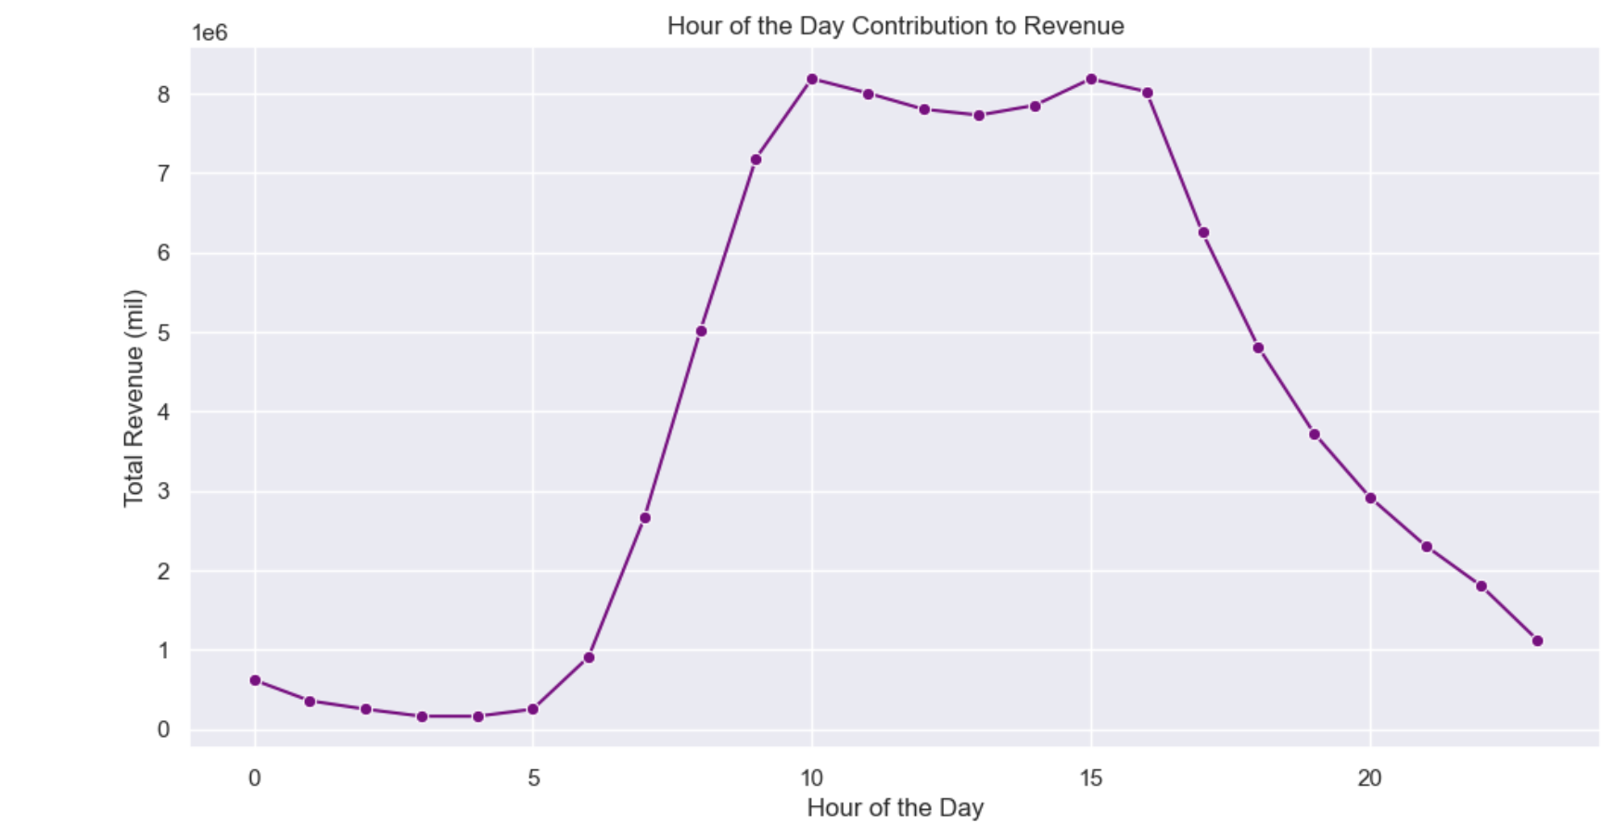
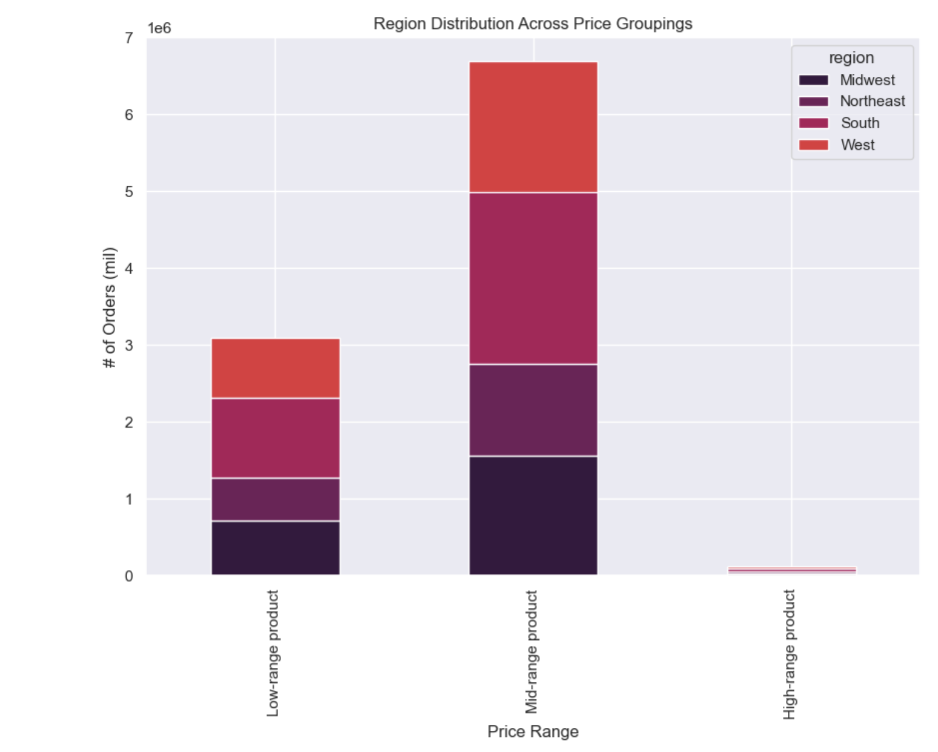

Fig 4.1 - Total Revenue by Department | Fig 4.2 - Frequently Ordered by Department
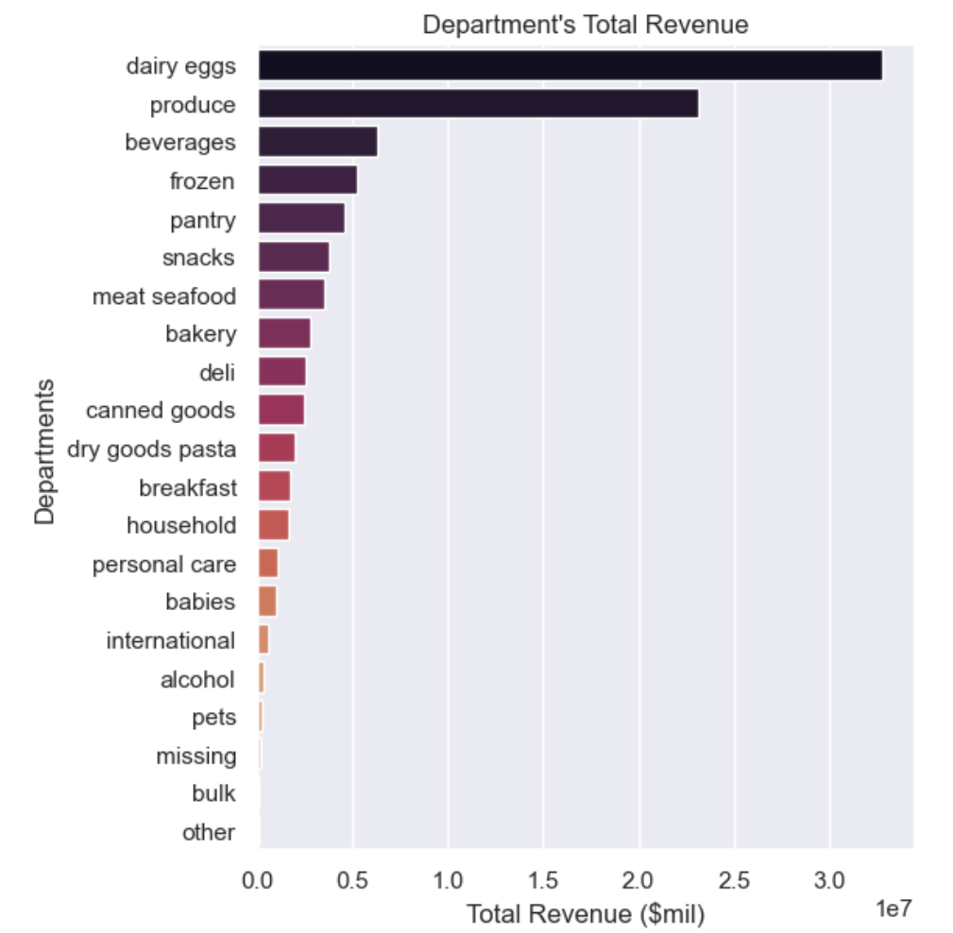
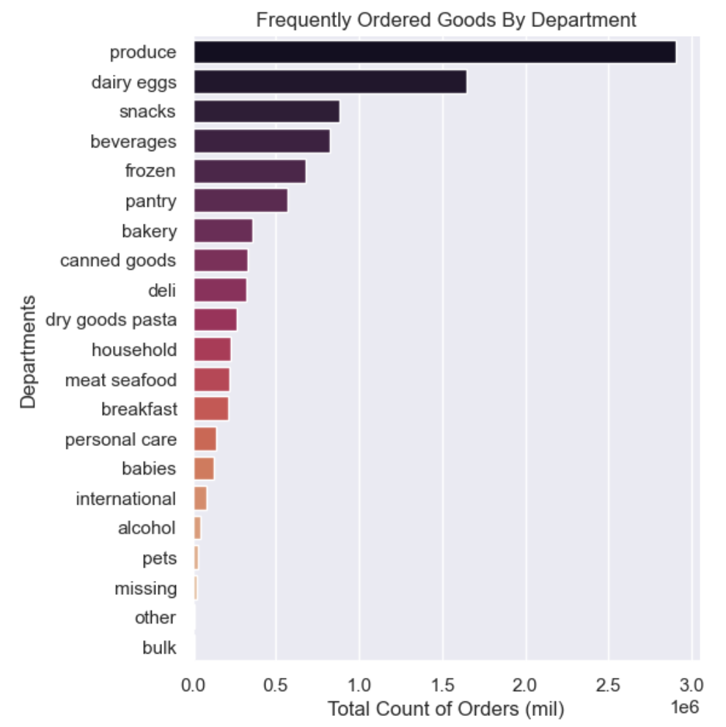

Fig 5.1- Average Time Customer Type Reorders | Fig 5.2- Loyalty vs. Regular vs. New by US Region |  |  | Fig 5.3- Low vs. High spender distribution
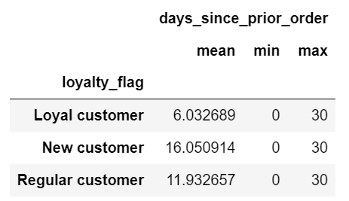
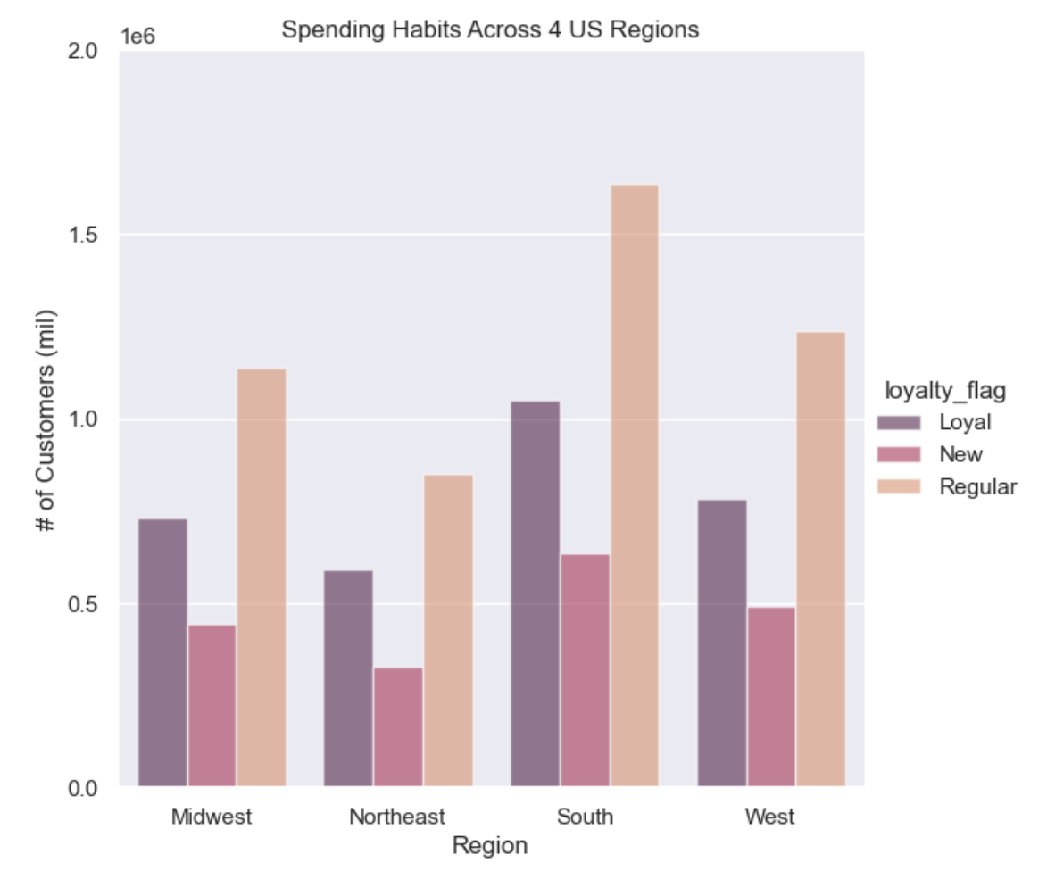
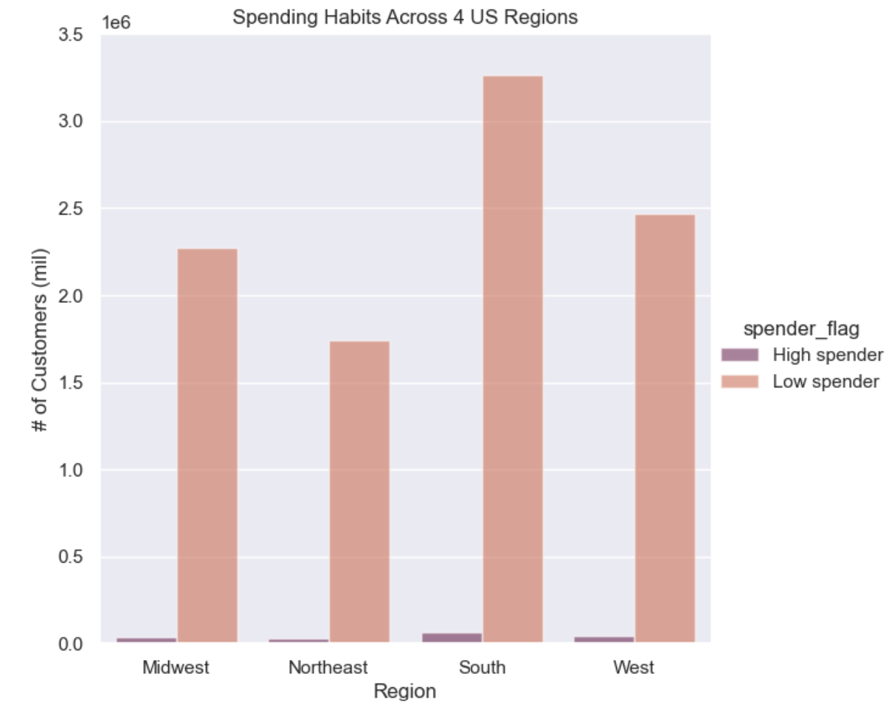

Fig 5.4- High (10+ orders) vs. Low Spender (>10 orders) Ratio
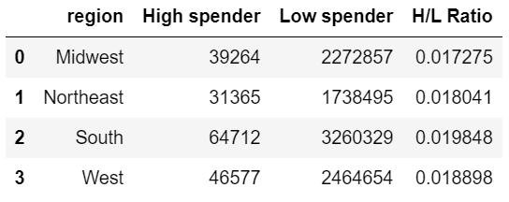

6.1- Top 3 Categories by Customer Type | 6.2- Bottom 3 Categories by Customer Type
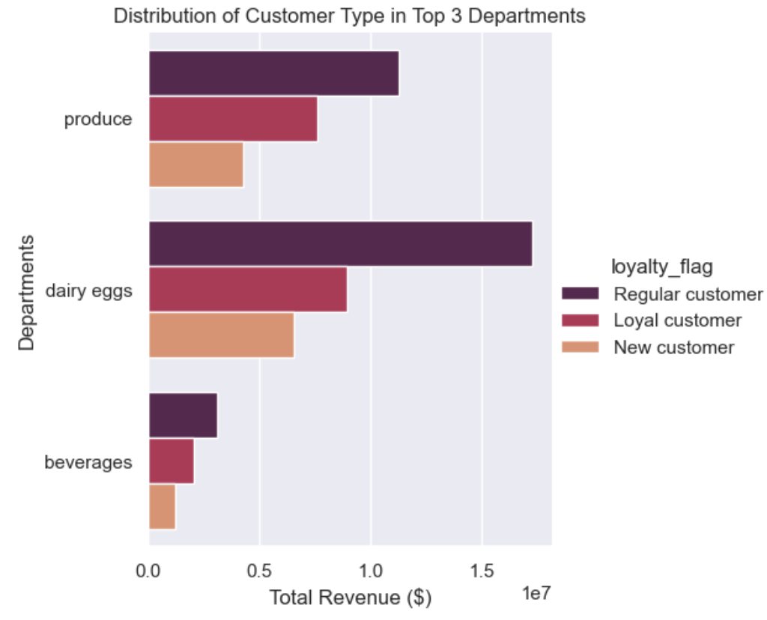
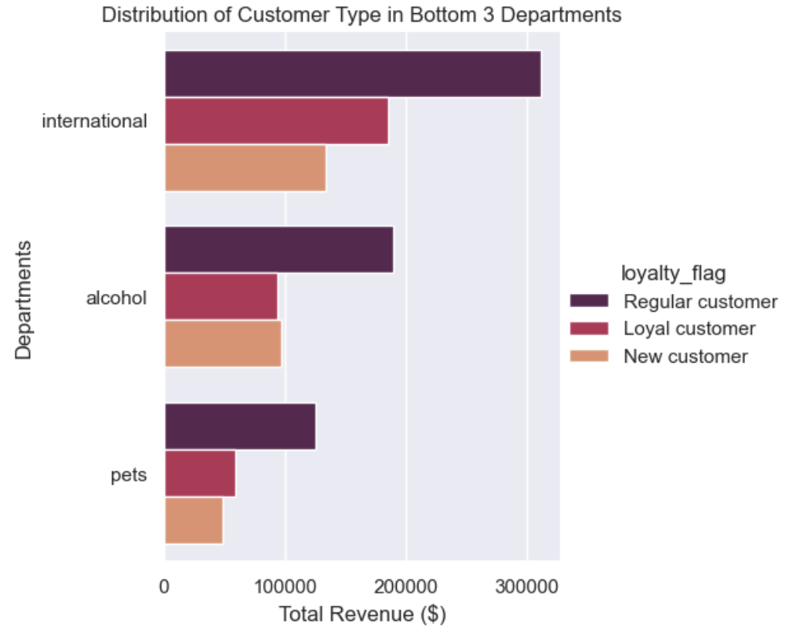

Fig 7.1- Marital Status vs. Age Group | Fig 7.2- Region vs. Income Group
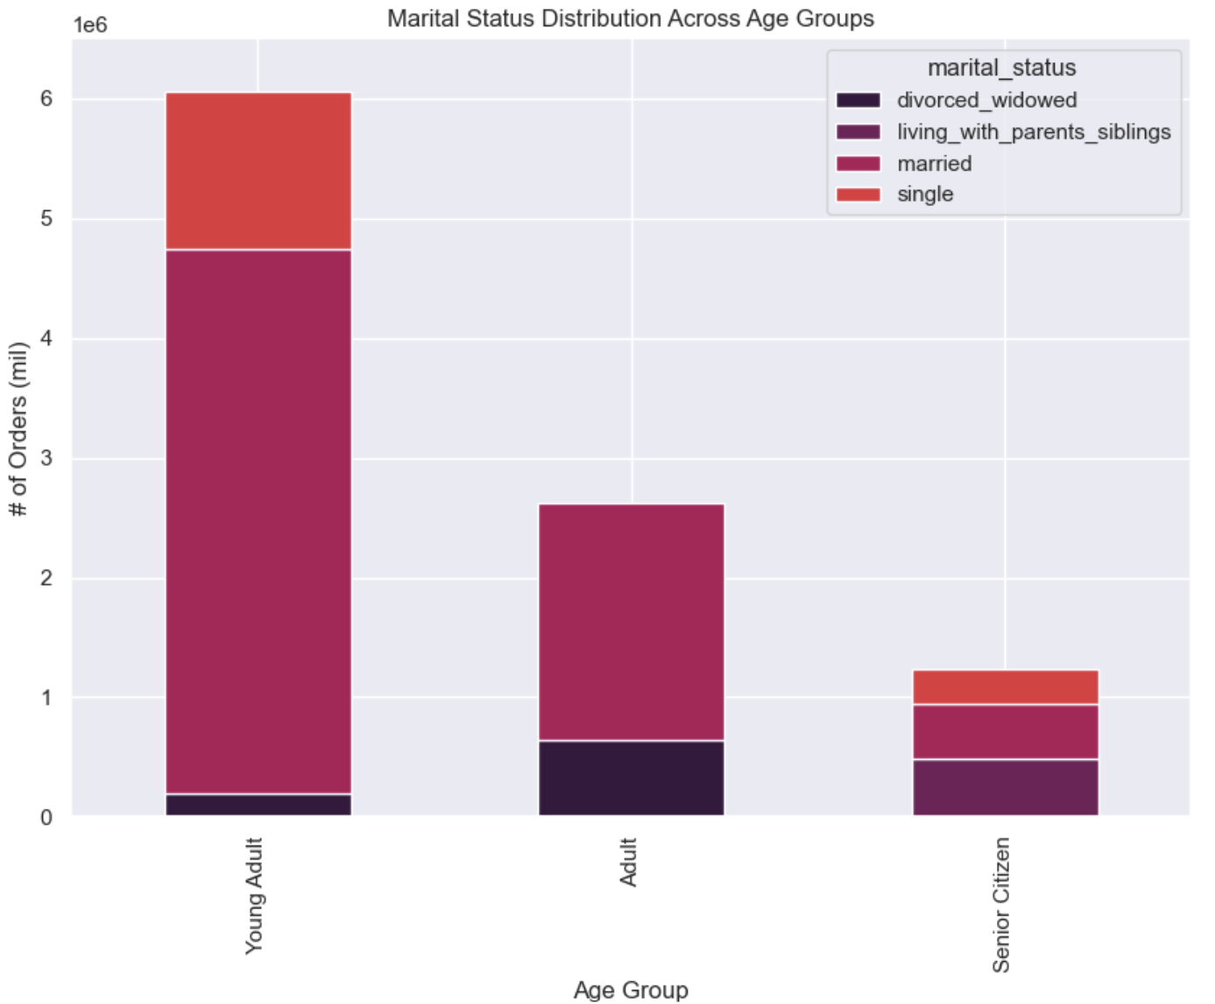
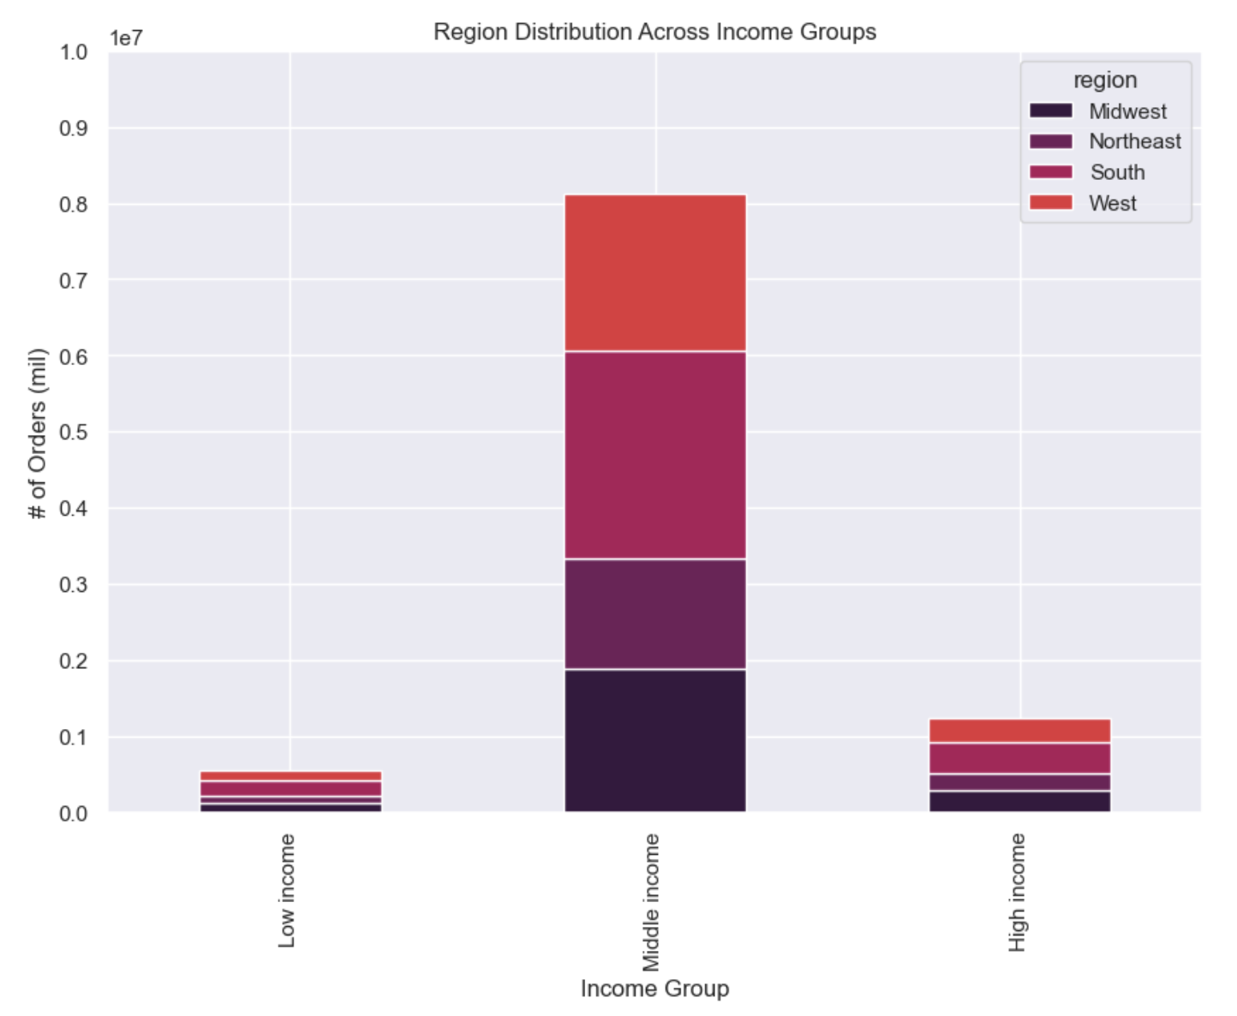

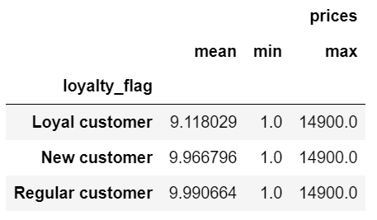
Fig 8.1- Dependence vs. No Dependence | Fig 8.2- Spending Habits of Families vs. Singles |  | Fig 8.3- Customer Type Spending Habits
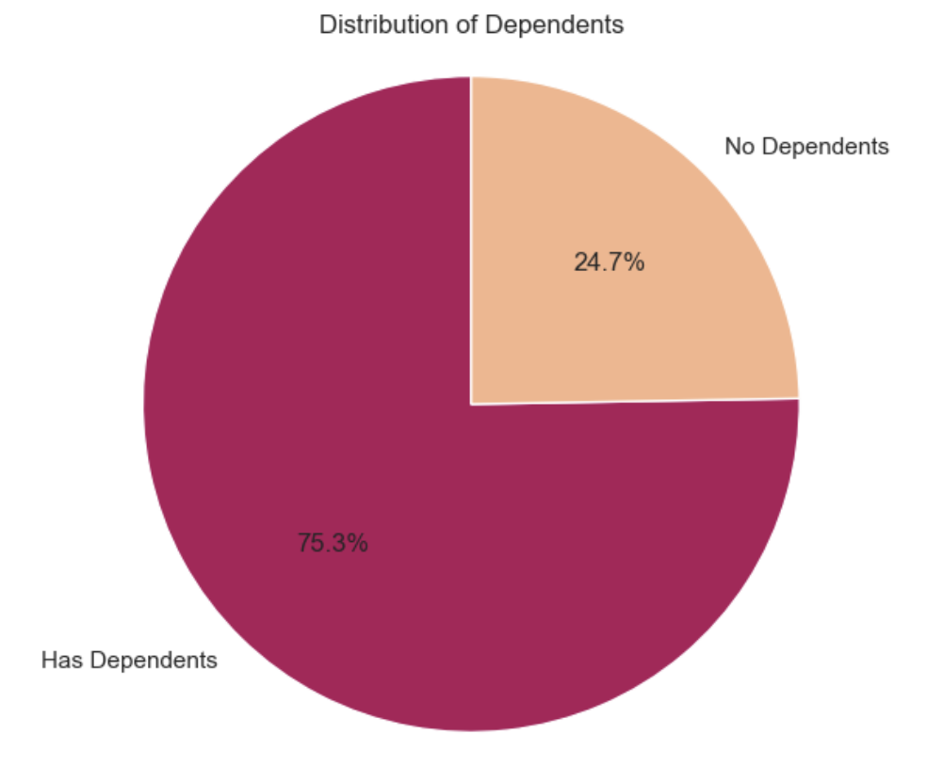
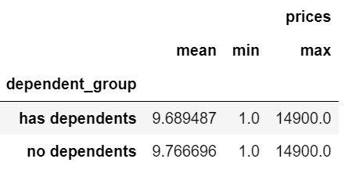

 | Fig 8.4- Spending Habits of Age Group

7. Recommendations
 |  |  |  |  | Title page

Recommendations
In this tab you should include any recommendations you would made to Instcart in terms of their marketing strategy based on the questions posed in the brief. Every key question has been covered in the Tasks of the Exercises - here you need to add an item - a visualisation or table/crosstable that is showing the answer in the data, acompanied by a comment from you. Please, list the questions below and add the answer underneath.
 |  |  |  |  | Marketing team: "We're always looking to improving our targeting for ad campaigns."
 |  |  |  |  | Sales team: "We need to know what part of our offering has the lowest market share and why. Based on this input, we could improve this sector and boost sales."
 |  |  |  |  | Instacart customer: "I want to receive ads, promotions, and recommendations that are relevant to the products I order regularly."

 | Key Question | Related team / insight | Answers/ Recommendations | Visualization Reference
1 | The sales team needs to know what the busiest days of the week and hours of the days are (ie. The days and times with the most orders) in order to schedule ads at times when there are fewer orders. | Sales team | Most busy: 0= Saturday, 1=Sunday (weekend) Average busy: 6= Friday, 5= Thursday, 2= Monday Least busy: 3= Tuesday, 4= Wednesday (middle of the week) Most orders occur on the weekend (Saturday and Sunday) Schedule ads in the middle of the week to boost more sales (Tuesday and Wednesday) Most orders happen between 10am- 3pm (order count above 80,000) Most stores are closed and people are sleeping between midnight- 6am (order count below 10,000) Schedule ads for goods in popular depts: produce, dairy egg, and beverages between 7am-9am to reward early birds ordering in the most popular categories | Fig 1.1 Fig 1.2
2 | They also want to know whether there are particular times of the day when people spend the most money, as this might inform the type of products they advertise at these times. | Sales team | 10am- 3pm is window of revenue most computed. | Fig 2.1
3 | Instacart has a lot of products with different price tags. Marketing and sales want to use simpler price range groupings to to help direct their efforts. | Marketing team Sales team | Calculated 'price_label' for the following breakout: Low-range products are >= 5 Mid-range products are between 5-15 High-range products are greater than 15 Mid-range is the most bought price range in all the 4 US regions. Schedule ads about buying mid-range products to all regions during less busy days of Tuesdays- Wednesdays to boost sales. | Fig 3.1
4 | Are there certain types of products that are more popular than others? The marketing and sales team want to know which departments have the highest frequency of product orders. | Marketing team Sales team | Dairy eggs, Produce, Beverages make up the most revenue for Instacart. Produce, Dairy eggs, and Snacks are the most popular frequency of orders. | Fig 4.1 Fig 4.2
5 | What is the distribution among users in regards to their brand loyalty (ie how often do they return to Instacart?) | Instacart customer | Conducted 'loyalty_flag' x 'days_since_prior_order' columns calculation and aggregated this attribute to find mean 'days_since_prior_order' to confirm: Loyal (user orders above 40) orders= ~6 days average return to Instacart Regular (user orders 10-40) = ~12 days average return to Instacart New (user order 10 or less) = ~16 days average return to Instacart | Fig 5.1
6 | Are there differences in ordering habits based on a customer's loyalty status? | Instacart customer | Overall the ratio between Loyal vs. Regular vs. New are similar across all 4 Regions where 10-40 orders per customer is dominant trend. The most loyal users who order 40+ orders are predominantly residing in the South. Target the "Regular customers in the South" more in promotions of "Low spend products" so Instacart can see an uptick in rising orders and gamify how they can become "Loyal status". | Fig 5.2 Fig 5.3
7 | Are there differences in ordering habits based on a customer's region? | Instacart customer | It looks like Instacart is used the most in South region compared to other (West, Midwest, Northeast). All 4 regions show a trend to have significantly more low spenders (<10 on average per order) vs. high spenders (>=10 average per order) High spenders account for less than 2% of Instacart data. Top 3 departments in revenue are in Dairy eggs, Produce, Beverages and distribution of ordering habits between loyal, regular, and new customers are relatively the same ratios. Bottom 3 departments showcasing a new customer is equally if not more likely to spend the same amount on alcohol as 'loyal customer' who already knows the Instacart brand. Marketing team should advertise alcohol delivery capabilities during "happy hour" times. Sales team should optimize on providing bundle deals and smooth checkout process for legal age adults (21+) to receive their purchases quickly so they can become 'regular' to then 'loyal'. | Fig 5.3 Fig 5.4 Fig 6.1 Fig 6.2
8 | Is there a connection between age and family status in terms of ordering habits? | Instacart customer | Majority of Instacart orders are from married young adults (<25) and adults (26-40). | Fig 7.1
9 | What different classifications does the demographic information suggest? Age? Income? Certain types of goods? Family status? | Sales team | Majority of Instacart orders are from married young adults (<25). Majority of Instacart orders are coming from families making middle income range (40,000- 150,000). There is opportunity for Sales team to target middle income families in Northeast region (least sales in that specific cohort). | Fig 7.1 Fig 7.2
10 | What differences can you find in ordering habits of different customer profiles? Consider the price of orders, the frequency of orders, the products customers are ordering, etc. | Instacart customer | 75% of customers have dependents vs. 25% do not. Families order slightly less than singles. Regular customers spend almost $1 more than on average than loyal customers. Despite being the smallest cohort in terms of revenue contribution, senior citizens spend $11.60/ order which is more than adults <=65 ($11). There is opportunity to target senior citizens to become new customers through educational programs and sample stalls at physical grocery stores of how-to-download and use smartphone apps. | Fig 8.1 Fig 8.2 Fig 8.3

